LA LWDA Reference Map
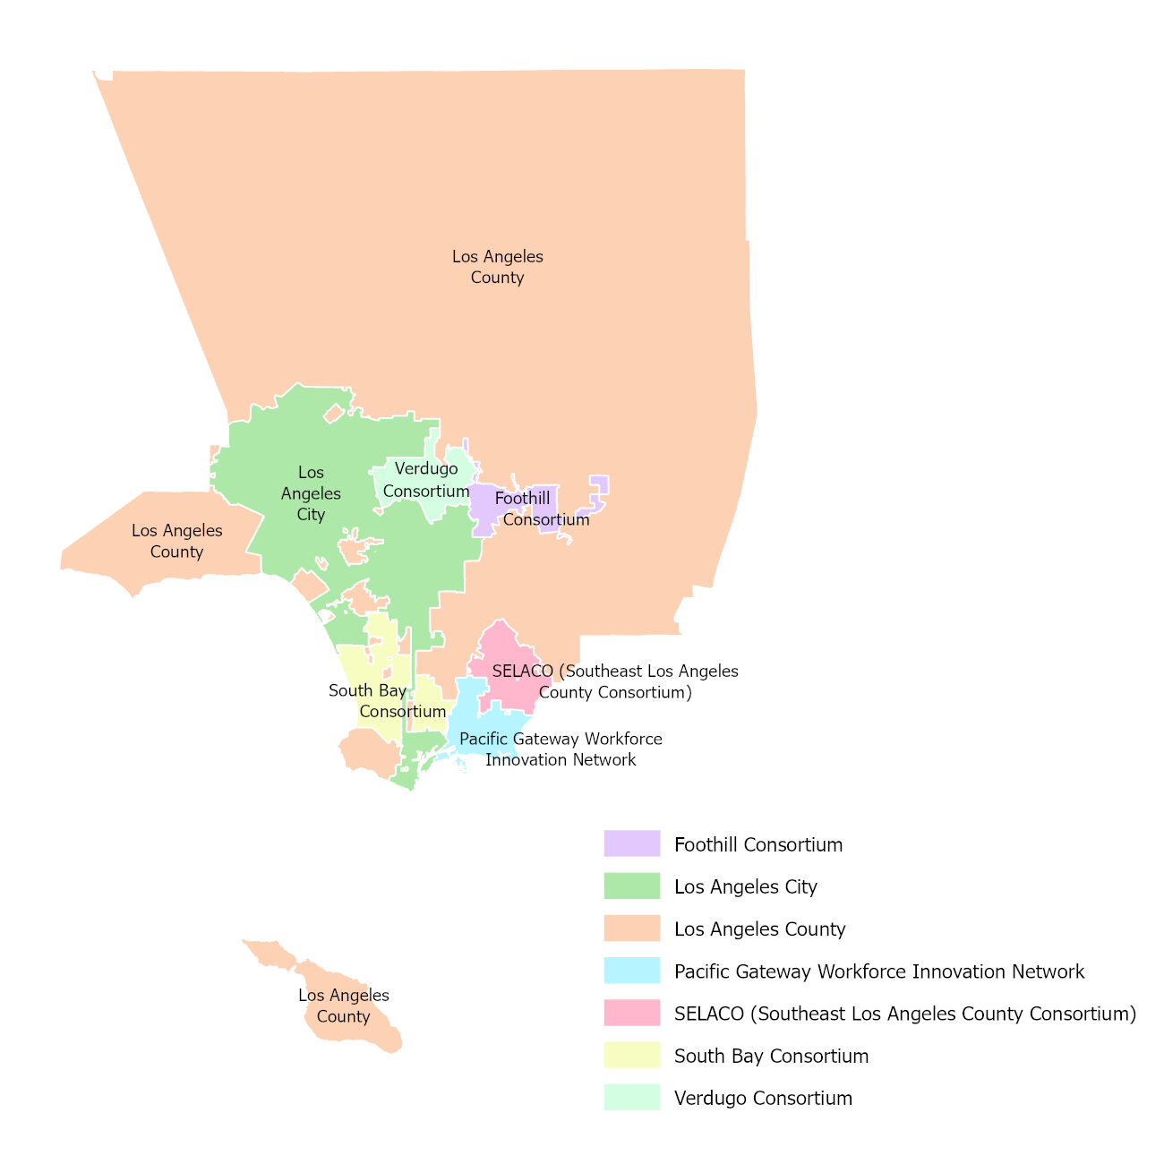
Local Workforce Development Area boundaries effective July 1, 2022

